STEPDISC
Five out of all the variables in the data set are found to have potential discriminatory power. These variables are used to develop discrimination models in both the CANDISC and DISCRIM procedures.
Stepwise Selection Summary
Step | Number | Traits | Partial R-Square | F Value | Pr > F | Wilks' Lambda | Pr < Lambda | ASCC | Pr > ASCC
1 | 1 | Neck length | 0.1232 | 4.54 | 0.0002 | 0.8768 | 0.0002 | 0.0205 | 0.0002
2 | 2 | Head length | 0.1526 | 5.79 | <.0001 | 0.7430 | <.0001 | 0.0437 | <.0001
3 | 3 | Weight | 0.0832 | 2.9 | 0.0099 | 0.6812 | <.0001 | 0.0569 | <.0001
4 | 4 | Wing length | 0.0793 | 2.74 | 0.014 | 0.6272 | <.0001 | 0.0684 | <.0001
5 | 5 | Toe length | 0.0612 | 2.06 | 0.0593 | 0.5888 | <.0001 | 0.0776 | <.0001

SPATIAL
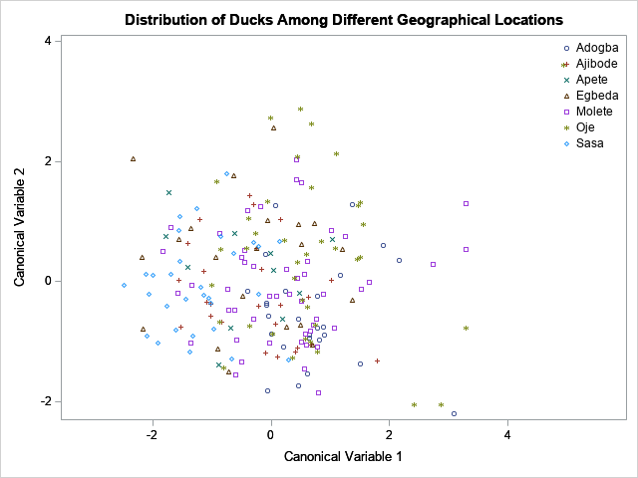

FREQ_GRAPH
 | Adogba | Ajibode | Apete | Egbeda | Molete | Oje | Sasa | Total
Male | 11 | 13 | 6 | 11 | 25 | 24 | 19 | 109
Female | 15 | 12 | 5 | 10 | 24 | 15 | 11 | 92
Y | 4 | 6 | 2 | 5 | 15 | 15 | 6 | 53
G | 19 | 17 | 8 | 15 | 23 | 8 | 23 | 113
C | 1 |  |  |  | 10 | 9 | 1 | 21
BL |  |  |  | 1 |  | 2 |  | 3
YG |  | 2 | 1 |  |  |  |  | 3
DG | 2 |  |  |  | 1 | 5 |  | 8
P | 11 | 11 | 7 | 7 | 21 | 16 | 10 | 83
SG | 4 | 1 |  | 2 | 4 | 7 |  | 18
PW | 10 | 13 | 4 | 10 | 22 | 13 | 19 | 91
W | 1 |  |  | 1 | 1 | 2 | 1 | 6
R |  |  |  | 1 |  | 1 |  | 2
G |  |  |  |  | 1 |  |  | 1
W | 8 | 2 |  | 2 | 14 | 15 | 2 | 43
BL | 10 | 22 | 11 | 18 | 19 | 20 | 26 | 126
G | 6 | 1 |  |  | 13 | 2 | 1 | 23
P | 11 |  |  |  |  | 1 |  | 1
SG | 2 |  |  | 1 | 2 |  | 1 | 6
RW |  |  |  |  |  | 1 |  | 1
BR |  |  |  |  | 1 |  |  | 1
Present |  | 25 | 11 | 16 | 1 | 10 | 9 | 61
absent | 26 |  |  | 5 | 48 | 29 | 21 | 140
W | 7 | 1 | 1 | 3 | 12 | 14 | 2 | 40
BR | 16 | 24 | 10 | 18 | 30 | 18 | 26 | 142
BL | 2 |  |  |  | 7 | 7 |  | 16
R | 1 |  |  |  |  |  | 2 | 3

